Introduction
Introduction to the Excel Tutorial
The purpose with this Excel tutorial is to illustrate some Excel tips that will dramatically improve your efficiency. No attempt has been made to be as encyclopedic as some of the 800-page Excel books available. The focus here is on common tasks, not every last thing you can do in Excel. Also, this tutorial presumes that you have some Excel knowledge. For example, you should know about rows and columns, values, labels, and formulas, and other basic Excel elements. If you know virtually nothing about Excel, you should probably work through an “Excel for Dummies” book and then work through this tutorial. The style of this tutorial is easy to follow. The List of Topics sheet contains hyperlinks to the various worksheets where you can learn and practice various skills. Each of these worksheets has a hyperlink in cell A2 back to the List of Topics sheet. Have fun improving your Excel skills!
MODULE - 2 (INTERMEDIATE EXCEL SKILLS 1)

Prepared by:
MIRZA M. FERDOUS
TASKIN SAKIB

List of Topics
The list to the left contains the topics, by category, in this tutorial. There is a hyperlink for each topic to its worksheet in this workbook. (Also, each topic worksheet has a hyperlink back to this sheet.)
The list to the left is in outline form, so you can use the buttons or numbers in the left margin to collapse or expand the categories.
Excel User Interface
 | Changes in Excel
 | Tabs and Ribbons
 | Customizing Ribbons
 | File Menu
 | Quick Access Toolbar
 | Excel Options
 | File Extensions
Moving and Selecting
 | Going Home to Cell A1
 | Splitting the Screen
 | Selecting a Range with Keys
 | Selecting a Range by Pointing
 | Selecting Multiple Ranges
Copying, Cutting, Pasting
 | Copying and Pasting
 | Cutting and Pasting
 | Paste Special Options
 | Transposing a Range
Other Basic Tools
 | Undoing Actions
 | Right-Clicking
 | Shortcut Keys
 | Cell Borders
 | Shapes and Pictures
 | Manipulating Rows, Columns
 | Manipulating Worksheets
 | Sorting
 | Printing
Working with Formulas
 | Relative, Absolute Addresses
 | Calculation Options
 | AutoSum Button
 | Range Names
 | Auditing Formulas
Working with Charts
 | Intro to Charts
 | Creating a Chart
 | Chart Types
 | Modifying a Chart
 | Locating a Chart
Working with Excel Functions
 | Intro to Functions
 | Function Help
Basic Summarizing Functions
 | SUM, AVERAGE, PRODUCT
 | COUNT, COUNTA, COUNTBLANK
 | COUNTIF, SUMIF, AVERAGEIF
 | COUNTIFS, SUMIFS, AVERAGEIFS
 | SUMPRODUCT
Two Essential Functions
 | IF
 | VLOOKUP
Math Functions
 | INT, ROUND
 | ABS, SQRT, SUMSQ
 | LN, EXP
 | RAND, RANDBETWEEN
Text Functions
 | Concatenating
 | Parsing with Text to Columns
 | Parsing with Text Functions
 | Flash Fill
Date, Time Functions
 | Dates and Times in Excel
 | TODAY, NOW
 | YEAR, MONTH, DAY, WEEKDAY
 | DATE, DATEVALUE
Statistical Functions
 | MIN, MAX
 | MEDIAN, QUARTILE, PERCENTILE
 | STDEV, VAR
 | CORREL, COVAR
 | New Statistical Functions
Financial Functions
 | PMT
 | NPV, XNPV
 | IRR
Reference Functions
 | INDEX
 | MATCH
 | OFFSET
 | INDIRECT
Data Analysis Tools
 | Quick Analysis
 | Tables
 | Pivot Tables
 | Data Tables
 | Goal Seek
 | Solver
Power BI
 | Intro to Power BI
 | Data Model
 | Power Pivot
 | Power View
 | Power Map
 | Power Query
Importing External Data
 | Intro to Importing Data
 | Importing Data from a Text File
 | Importing Data from a Database
 | Importing Data from the Web
Good Spreadsheet Practices
 | Documenting Your Work
 | Conditional Formatting
Professional Touches
 | Data Validation
 | Protecting Worksheet, Workbooks
 | Developer Ribbon
 | Using Form Controls
 | Recording a Macro

Auditing Formulas
Return to List of Topics sheet

Using the Formula Auditing Buttons to Trace Precedents and Dependents
There are times when you will receive a spreadsheet from a colleague and you will have absolutely no idea how its various cells are related. Where are the constants? Where are the formulas? How do the formulas incorporate the constants? How do the formulas build upon one another? In these very common situations, Excel's auditing tools can be a huge help. They let you find the precedents and dependents of any particular cell, defined as follows.
1. The precedents of any cell that contains a formula are all cells referenced by the formula in that cell. (If a cell doesn't contain a formula, it doesn't have any precedents.)
2. The dependents of any cell are all cells with formulas that reference that cell.
The Formula Auditing group on the Formulas ribbon, shown to the right, has buttons for tracing precedents and dependents. If you select a cell and click Trace Precedents, you will see arrows from all of the cell's precedents to it. If you click Trace Dependents, you will see arrows from the cell to all of its dependents. You can then click the Remove Arrows button to get rid of these arrows.
You can do this multiple times. For example, if you show a cell's dependents and then click Trace Dependents again, you will see all of the dependents' dependents.
Try it! In the example to the right, a company sends catalogs to customers, and this costs money. Unfortunately, only a small percentage of these customers responds by purchasing something. Use the formula auditing buttons to learn what is related to what. This should help you understand the business model and how it has been implemented in Excel.
Note that many spreadsheets in real businesses have cells that aren't related to anything. That is, they have no precendents or dependents. Typically, this is not good. It could mean that the constants in these cells are "hard-coded" (entered as constants) in one or more formulas, which is always a bad practice. It could also mean that these constants have been incorporated in the model with "mental arithmetic" rather than formulas, another bad practice. See if you can find examples of such "dangling" constants in the example to the right. Then incorporate them with appropriate formulas.
 | Formula Auditing group on Formulas ribbon

 | Profit model
 | Unit printing cost | $0.10
 | Unit mailing cost | $0.15
 | Variable cost of printing and mailing | $0.25
 | Number mailed | 100000

 | Average revenue per order | $60
 | Order fulfillment cost (% of revenue) | 60%
 | Variable cost per order fulfillment | $36.00

 | Response rate | 3%
 | Number of responses | 3000

 | Total Revenue | $180,000
 | Fixed cost of printing | $20,000
 | Total variable cost of printing and mailing | $25,000
 | Total variable cost of order fulfillment | $108,000
 | Total cost | $153,000
 | Profit | $27,000

Keyboard Shortcuts for Tracing Precedents and Dependents
If you like keyboard shortcuts, these are a few you will really appreciate. Instead of using arrows to indicate precedents and dependents, these shortcuts select cells that are precedents and dependents.
Ctrl+[ : select all direct precedents of the selected cell
Ctrl+] : select all direct dependents of the selected cell
Ctrl+Shift+[ : select all precedents, direct and indirect, of the selected cell
Ctrl+Shift+] : select all dependents, direct and indirect, of the selected cell
Try it! Use these keyboard shortcuts in the above model to better understand the relationships.

Adding a Watch
The Formula Auditing group also contains a Watch Window button. You can click it to add a watch on any cell (or cells). The screenshot to the right shows how a watch was added to the profit cell on this worksheet. This is particularly useful for large models (unlike the small model here) where you can't see your inputs and outputs all at once on the same screen. Once this watch is added, you keep the window open and enter values for various inputs to see how profit changes. If it doesn't change at all, or if it doesn't change in the way you expect, you can examine your formulas for errors.
Try it! Add watches on total revenue, total cost, and profit. Then watch how they change in the Watch Window as you change inputs such as average revenue per order or the response rate.
 | Watch Window button in Formula Auditing group

 | Watch window
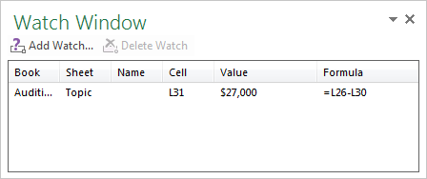

Showing Formulas
A common wish is to see all of the formulas, not their values. This is easy. Just click the Show Formulas button in the Formula Auditing group. This button is actually a toggle between values and formulas. Equivalently, you can use keyboard shortcut Ctrl+~.
Try it! Click the Show Formulas button to see all formulas in the model. Then click this button again to show the values. Note that the columns expand when you show formulas, but fortunately, they revert back to their original widths when you show values.
 | Show Formulas button in Formula Auditing group

Intro to Charts
Return to List of Topics sheet
Introduction to Charts
Nothing tells a story better than a well-designed chart, and Excel provides a huge number of charting possibilities. In fact, whole books have been devoted to Excel charts. It is impossible to cover all of the possibilities here, but the files in this group illustrate how to create and modify basic charts quickly and easily.
You create a chart by selecting one of many options from the Charts group on the Insert ribbon. (Several of these chart types, such as histogram and waterfall, are new to Excel 2016.) Then once you have a chart and select it, two Chart Tools ribbons, Design and Format, become available. Also, three handy buttons appear to the right of the chart for making modifications.
Rather than read long chapters on charts, it is best to experiment. But here are a few basics.
1. To create a chart, use the Insert ribbon. It has a Charts group with buttons for Column, Line, Pie, Bar, Area, Scatter, and Other Charts (see to the right). Each button has a dropdown list for the various subtypes. Starting in Excel 2013, there is even has a Recommended Charts button for guessing the most appropriate type of chart for your specific data.
2. Once you have a chart and then select it you get two Chart Tools tabs, Design and Format, shown to the right. The corresponding ribbons have plenty of buttons for modifying an existing chart. Probably the most important of these is the Select Data button on the Design ribbon. It lets you edit the data range(s) the chart is based on. Of course, you can experiment with the other buttons, and you can also experiment by right-clicking various parts of a chart to see many possibilities.
 | Charts group on Insert ribbon in Excel 2016

 | Chart Tools Design ribbon in Excel 2016

 | Chart Tools Format ribbon in Excel 2016

Creating a Chart
Return to List of Topics sheet

Creating a Chart the Easy Way
Probably the easiest way to create a chart, based on a given data set, is to select the data set, including the data to be charted and the labels for the horizontal axis, if any, and select one of the chart types from the Insert ribbon. You will probably want to modify the resulting chart, but this usually provides a good start.
The data set to the right is typical. The goal is to create a column chart of monthly sales, so the entire gray range to the right was selected, including the labels in the top row, and a column chart of the first subtype was chosen from the Insert ribbon. The only change that was then made to the chart was to delete the legend. (Even this is not necessary in Excel 2013. It doesn't add a legend for a single series.) Excel guessed correctly that it should chart one series, Sales, and that it should use the dates in column K as labels for the horizontal axis.
 | Month | Sales
 | Jan-13 | $8,627
 | Feb-13 | $5,343
 | Mar-13 | $6,244
 | Apr-13 | $9,451
 | May-13 | $6,698
 | Jun-13 | $6,752
 | Jul-13 | $5,985
 | Aug-13 | $5,586
 | Sep-13 | $8,476
 | Oct-13 | $9,191
 | Nov-13 | $7,242
 | Dec-13 | $8,277

Creating a Chart with Multiple Series
Here is another example. The data set to the right includes monthly sales of two products, and the goal is to create a line chart that contains both series. In this case, the entire gray range was selected, and a line chart with markers was chosen from the Insert ribbon. This time, a legend is appropriate. However, there was no title above the chart by default, so the one shown was entered (by selecting the title and then typing a new title in the formula bar).
Monthly Sales of Two Products
 | Month | Sales1 | Sales2
 | Jan-13 | $8,627 | $8,452
 | Feb-13 | $5,343 | $6,801
 | Mar-13 | $6,244 | $5,497
 | Apr-13 | $9,451 | $10,329
 | May-13 | $6,698 | $5,995
 | Jun-13 | $6,752 | $8,103
 | Jul-13 | $5,985 | $6,386
 | Aug-13 | $5,586 | $5,047
 | Sep-13 | $8,476 | $8,641
 | Oct-13 | $9,191 | $10,696
 | Nov-13 | $7,242 | $6,914
 | Dec-13 | $8,277 | $9,004

The Important Role of Series in a Chart
The most important concept for charts is a series. Every Excel chart contains one or more series. In the first chart above, there is one series, Sales. In the second chart above, there are two series, Sales1 and Sales2. Typically, each series is a column of data, with a label at the top. However, series are sometimes in rows, as in the example to the right. Again, you can select the entire gray range and insert a line chart. Excel guesses correctly that the data series are in rows, not columns. But what if it makes the wrong guess? See the next example.
 | Month | Jan-13 | Feb-13 | Mar-13 | Apr-13 | May-13 | Jun-13 | Jul-13 | Aug-13 | Sep-13 | Oct-13 | Nov-13 | Dec-13
 | Sales1 | $8,627 | $5,343 | $6,244 | $9,451 | $6,698 | $6,752 | $5,985 | $5,586 | $8,476 | $9,191 | $7,242 | $8,277
 | Sales2 | $8,452 | $6,801 | $5,497 | $10,329 | $5,995 | $8,103 | $6,386 | $5,047 | $8,641 | $10,696 | $6,914 | $9,004
Monthly Sales of Two Products

Switching the Roles of Rows and Columns and Changing the Chart Type
The data set to the right contains sales data for four products in six regions. You can select the entire gray range and insert a line chart. But what are the series? By default, Excel creates a line for each product, with the region labels on the horizontal axis. That is, it guesses that the columns are the series. Suppose you would rather have the rows as the series, that is, you would rather have a line for each region. This is easy.
To switch the roles of rows and columns:
Select the chart and click the Switch Row/Column button on the Chart Tools Design ribbon.
Try it! Create a column chart of the first subtype for the monthly data in the gray range to the right, where each series corresponds to a time series for a particular product.
Sometimes you change your mind and want to have another chart type.
To change the chart type:
Select the chart and click the Change Chart Type button on the Chart Tools Design ribbon.
Try it! Change the column chart you just created to a line chart. Make sure each series still corresponds to a product.
 |  | Product1 | Product2 | Product3 | Product4
 | Region1 | $4,749 | $1,637 | $1,002 | $4,212
 | Region2 | $1,187 | $2,259 | $4,236 | $2,711
 | Region3 | $2,973 | $3,779 | $4,419 | $1,881
 | Region4 | $4,570 | $3,677 | $3,682 | $3,020
 | Region5 | $3,494 | $1,040 | $4,637 | $1,808
 | Region6 | $2,158 | $4,644 | $1,296 | $3,920

 |  | Jan-13 | Feb-13 | Mar-13 | Apr-13 | May-13 | Jun-13
 | Product1 | $1,191 | $2,116 | $1,328 | $2,136 | $2,352 | $4,156
 | Product2 | $3,147 | $3,751 | $3,954 | $4,314 | $4,194 | $2,442
 | Product3 | $2,959 | $3,628 | $3,628 | $4,529 | $2,548 | $4,415
 | Product4 | $1,740 | $2,733 | $4,310 | $2,228 | $1,313 | $2,675
 | Product5 | $4,730 | $1,058 | $4,800 | $2,156 | $2,518 | $2,917
 | Product6 | $4,970 | $4,947 | $2,707 | $1,134 | $1,787 | $1,927

Using a Secondary Axis for a Second Series
Sometimes you have two series of very different magnitudes that you want to plot on a single chart. If you use the same vertical axis for both series, the one with the smaller magnitudes will be swamped by the other series; it will barely show up. However, you can plot either series with a secondary axis, which appears to the right of the chart.
It is actually very easy. The chart to the right plots both sales series on a single vertical axis, so the much smaller Sales1 series hugs the horizontal axis. To create a secondary axis, right-click the series you want on the secondary axis, select Format Data Series, and select the Secondary Axis option.
Try it! Using the chart to the right, put the Sales1 series on a secondary axis.
Note: You can do this with multiple series, but it is most common when plotting only two series. If there are more than two series and you assign at least one of them to a secondary axus, it is difficult to tell which series goes with which axis.
Monthly Sales of Two Products
 | Month | Sales1 | Sales2
 | Jan-13 | $8,627 | $845,200
 | Feb-13 | $5,343 | $680,100
 | Mar-13 | $6,244 | $549,700
 | Apr-13 | $9,451 | $1,032,900
 | May-13 | $6,698 | $599,500
 | Jun-13 | $6,752 | $810,300
 | Jul-13 | $5,985 | $638,600
 | Aug-13 | $5,586 | $504,700
 | Sep-13 | $8,476 | $864,100
 | Oct-13 | $9,191 | $1,069,600
 | Nov-13 | $7,242 | $691,400
 | Dec-13 | $8,277 | $900,400

Modifying the Data Series
By selecting the appropriate data and then inserting a chart, you usually get what you want. But suppose you create a chart and it doesn't chart the right data. You can either delete this chart and start over, or you can modify the data series.
To modify the data series in an existing chart:
Select the chart and click the Select Data button on the Chart Tools Design ribbon. This brings up the Select Data Source dialog box shown to the right, with the series charted on the left and the data used for the horizontal axis labels on the right. You can then edit any of these.
Try it! The line chart to right was created by selecting the gray range to the right, without the labels in the left column or the top row. There are three problems: (1) the months should be labels on the horizontal axis; (2) the two "junk" series shouldn't be part of the chart; and (3) the two sales series should be named by the Sales1 and Sales2 labels in the top row. Open the Data Series dialog box and fix these problems.
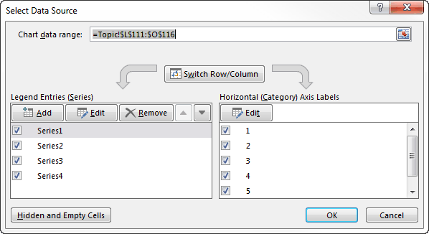
 | Month | Junk1 | Junk2 | Sales1 | Sales2 |  | Select Data Source dialog box
 | Jan-13 | 29 | 27 | $2,625 | $4,139
 | Feb-13 | 74 | 23 | $1,776 | $4,955
 | Mar-13 | 78 | 59 | $2,537 | $2,379
 | Apr-13 | 6 | 12 | $4,360 | $4,631
 | May-13 | 69 | 2 | $3,636 | $2,413
 | Jun-13 | 62 | 3 | $2,135 | $4,187

Scatter Charts
One chart type that works a bit differently from the others is the scatter chart. This type of chart is useful for detecting relationships between two variables, such as height and weight in the data set to the right.
To create the scatter chart, you can select the gray range to the right and insert a scatter chart of the first subtype. You can then change the title and add horizontal and vertical axis titles, as shown. (Excel 2013 doesn't add the legend that was added automatically in previous versions of Excel.) If you then open the Data Series dialog box by clicking the Select Data button, you will see that there is one series, Weight. However, if you click the Edit button for this series, you will see that there is a Y-series and an X-series.
By default, when you select two columns for a scatter chart, the data in the rightmost column, in this case Weight, is the Y-axis series, and the other is the X-axis series. If you want them reversed, you have to go through the Edit Series dialog box.
Try it! Starting with the scatter chart to the right, change it so that Height is on the vertical axis and Weight is on the horizontal axis. (If you created axis titles, you will have to change them manually.)
 | Person | Height | Weight
 | 1 | 60 | 155
 | 2 | 61 | 162
 | 3 | 62 | 162
 | 4 | 63 | 162
 | 5 | 63 | 164
 | 6 | 65 | 168
 | 7 | 70 | 175
 | 8 | 72 | 199
 | 9 | 72 | 215
 | 10 | 76 | 241

Chart Types
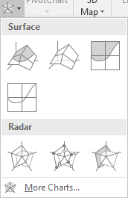
Return to List of Topics sheet
Chart Types
When you create a chart in Excel, you have to choose the chart type, and there are plenty to choose from. The most common types, the ones you have probably used, are column charts, line charts, pie charts, and scatter charts. There are also several new types of charts introduced in Excel 2016 that you should be aware of. Of course, the appropriate chart type depends on the type of data you have. For example, line charts are especially useful for time series data, and scatter charts are useful for exploring relationships between two columns of data.
This topic briefly explores the various chart types. Based on the information provided here, you can then experiment with your own data. Just be aware that it is easy to change the chart type once you have created a chart. Just select the chart, click the Change Chart Type button on the Chart Tools Design ribbon, and choose a chart type.Also, you can modify an existing chart of a given type in an endless number of ways.
Before proceeding, note that when you select your data, you can always click the Recommended Charts button on the Insert ribbon. This suggests chart types that might be appropriate for your data, and you can select any of these.

Column (or Bar) Charts
Column charts (vertical bars) or bar charts (horizontal bars) are useful for breaking down numeric variables by categories. The example to the right is typical, where each bar shows the sales for some region. If you have two or more series, such as Q1 Sales, Q2 Sales, and so on, you can try any of the 2-D types. However, we don't recommend the 3-D types. Granted, the latter are fancier, but they often obscure the data. In general, we recommend keeping it simple (and this goes for the other chart types discussed below as well).
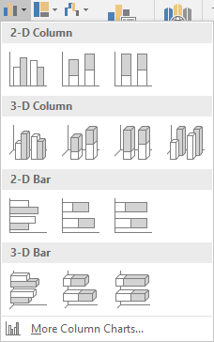
 |  | Region | Sales
 |  | North | $50,000
 |  | South | $90,000
 |  | East | $30,000
 |  | West | $80,000

Line Charts
Line charts are especially useful for time series data. The example to the right shows how monthly sales have changed during a given year. We particularly like the line chart with markers (the fourth option in the top row), although you can experiment with the many different options.
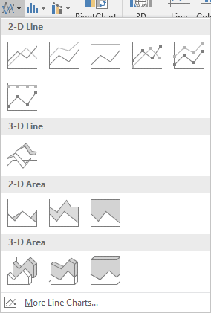
 |  | Month | Sales
 |  | Jan | $80,000
 |  | Feb | $70,000
 |  | Mar | $90,000
 |  | Apr | $120,000
 |  | May | $140,000
 |  | Jun | $160,000
 |  | Jul | $180,000
 |  | Aug | $190,000
 |  | Sep | $130,000
 |  | Oct | $110,000
 |  | Nov | $70,000
 |  | Dec | $60,000

Pie Charts
Pie charts are ubiquitous, appearing in magazines, newspapers, and all over the Web. They play the same roll as column or bar charts for breaking down data by categories. However, we prefer column or bar charts to any of these "circular" charts. It is sometimes hard to accurately gauge the relationships between the various pieces of the pie. For example, is one piece twice as large as another; three times as large; or what? These comparisons are more obvious in a column or bar chart.
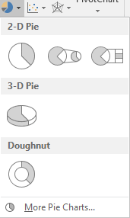
 |  | Region | Sales
 |  | North | $50,000
 |  | South | $90,000
 |  | East | $30,000
 |  | West | $80,000

Scatter Charts and Bubble Charts
Scatter charts are used to examine the relationship (if any) between two columns of data. The example to the right lists the amount spent on culture and the amount spent on sports for a sample of families. The scatter chart indicates a negative relationship between these two variables.
A special type of scatter chart, a bubble chart, allows you to add a third dimension. The bubble chart to the right sizes each bubble in proportion to the family's salary. To create it, you can start with a regular scatter chart, then change it to a bubble chart, click the Select Data from the Chart Tools Design ribbon, and enter the range for the bubble sizes.
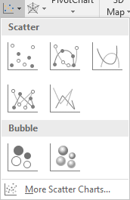
Expenses on Sports Vs Expenses on Culture
 |  | Culture | Sports
 |  | $1,020 | $990
 |  | $1,100 | $460
 |  | $900 | $780
 |  | $1,000 | $860
 |  | $900 | $1,390
 |  | $820 | $1,880
 |  | $1,340 | $710
 |  | $1,250 | $680
 |  | $1,190 | $1,220
 |  | $640 | $1,480
 |  | $900 | $820
 |  | $710 | $1,080

Expenses on Sports Vs Expenses on Culture (Bubble size for Salary)
 | Salary | Culture | Sports
 | $54,600 | $1,020 | $990
 | $57,500 | $1,100 | $460
 | $53,300 | $900 | $780
 | $43,500 | $1,000 | $860
 | $127,200 | $900 | $1,390
 | $163,400 | $820 | $1,880
 | $58,500 | $1,340 | $710
 | $45,600 | $1,250 | $680
 | $261,300 | $1,190 | $1,220
 | $61,100 | $640 | $1,480
 | $77,200 | $900 | $820
 | $108,800 | $710 | $1,080

Histograms and Box-Whisker Charts (introduced in Excel 2016)
A histogram is a special type of column chart for showing the distribution of data. The data are first "binned," that is, separated into categories, and then the histogram shows the count (or percentage) of values in each bin. The Excel histograms use automatic bins, depending on the number of data values, but you can right-click the horizontal axis values, select Format Axis, and modify the bins in a number of ways. For the salary data to the right, four bins were chosen automatically, with the limits shown on the horizontal axis. Regardless of the exact bins chosen, however, the histogram shows that salaries are skewed to the right.
Box and Whisker charts are useful for comparing the distributions of some variable across two or more groups. The example to the right compares salaries of males and females. The height of each box extends from the first to the third quartiles (the middle half of the data), the line inside the box is the median, the x inside the box is the mean, and the lines from the box indicate the lows and highs of the data. (More precise definitions can be found in statistics books.) This particular chart clearly indicates that male salaries tend to be higher and more spread out than female salaries.
A special type of histogram is the Pareto chart (the second button in the top row of options). It is useful for showing the number, and cumulative number, of "events" from different causes. The example below and to the right shows the number of failures from various causes. The bars in a Pareto chart always decrease from left to the right, so that the most likely causes are to the left.
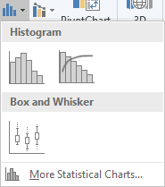
 |  | Gender | Salary
 |  | Male | $137,500
 |  | Male | $100,900
 |  | Male | $122,600
 |  | Female | $83,700
 |  | Male | $85,000
 |  | Male | $91,100
 |  | Male | $114,000
 |  | Female | $85,800
 |  | Female | $77,200
 |  | Male | $113,800
 |  | Female | $83,600
 |  | Female | $78,800
 |  | Female | $93,500
 |  | Male | $109,800
 |  | Female | $57,100
 |  | Female | $78,700
 |  | Female | $61,500
 |  | Female | $78,400
 |  | Male | $125,900
 |  | Male | $83,900
 |  | Female | $75,100
 |  | Male | $61,400
 |  | Female | $80,700
 |  | Female | $70,300
 |  | Female | $82,200
 |  | Male | $100,200
 |  | Male | $135,900
 |  | Female | $68,500
 |  | Female | $76,600
 |  | Male | $114,600
 |  | Male | $84,300

 |  | Cause | # Failures
 |  | Address is Illegible | 25
 |  | Address is Invalid | 24
 |  | Contains Illegal Materials | 2
 |  | Insufficient Postage | 55
 |  | Returned by Recipient | 12
 |  | Unable to Deliver | 6

Hierarchy Charts (introduced in Excel 2016)
The two chart types in this category, Treemap charts and Sunburst charts, are used to break down a numeric variable by categorical variables. The example to the right breaks down average salary by gender and state. You can use these "fancy" charts if you like, but we prefer simpler charts such as column charts to show the comparisons.
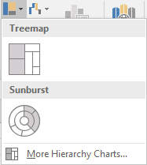
 | Gender | State | Avg Salary
 | Female | California | $81,400
 | Female | Indiana | $62,000
 | Female | Pennsylvania | $59,900
 | Male | California | $97,500
 | Male | Indiana | $45,200
 | Male | Pennsylvania | $45,900

Waterfall Charts (introduced in Excel 2016)
A waterfall chart is useful for showing changes, usually over time, from some initial value. The example to the right shows how a company's monthly cash balances have changed over the year, starting with a balance of $50,000.
This group also includes stock charts, which are useful for showing the movement of stock prices over time.
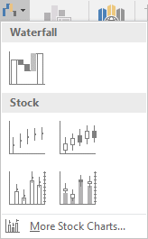
 |  | Start | $50,000
 |  | Jan | $13,100
 |  | Feb | $7,000
 |  | Mar | $9,300
 |  | Apr | $7,000
 |  | May | $5,900
 |  | Jun | $2,400
 |  | Jul | $6,500
 |  | Aug | $8,000
 |  | Sep | $9,700
 |  | Oct | $6,700
 |  | Nov | $11,900
 |  | Dec | $6,700
 |  | End

Combo Charts
A combo chart lets you graph two or more series with different chart types. The example to the right, using the default options for the first combo chart type, uses a column chart for 2015 sales and a line chart for 2016 sales. Of course, you can then change either of these chart types.
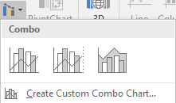
Monthly Sales
 | Month | Sales 2015 | Sales 2016
 | Jan | $80,000 | $81,000
 | Feb | $70,000 | $57,000
 | Mar | $90,000 | $91,000
 | Apr | $120,000 | $106,000
 | May | $140,000 | $139,000
 | Jun | $160,000 | $141,000
 | Jul | $180,000 | $199,000
 | Aug | $190,000 | $205,000
 | Sep | $130,000 | $124,000
 | Oct | $110,000 | $114,000
 | Nov | $70,000 | $76,000
 | Dec | $60,000 | $58,000

Surface and Radar Charts
You can try these chart types if you like, but we don't recommend them. If your goal is to explain the data in the clearest possible way -- and this should be your goal! -- then some other chart type is almost surely a better option.

Locating a Chart
 | Return to List of Topics sheet

Changing the Location of a Chart
A chart can be placed in one of two locations: on a worksheet, usually the worksheet that contains the data the chart is based on, or on a separate chart sheet, a sheet that has no rows or columns, only a chart. Some people prefer the first option, and others prefer the second. It is totally a matter of taste. When you create a chart from the Insert ribbon, the chart is placed on the worksheet with the data by default. However, it is easy to move it.
To change the location of a chart:
Select the chart and click the Move Chart button on the Chart Tools Design ribbon (see below). You can then choose from the above two options.
Try it! Create a chart on this worksheet using the data to the right and then move this chart to a separate chart sheet. (This chart sheet will have a name like Chart1, but you can rename it.) Then move the chart back to this worksheet. Note that when you move the chart back to this worksheet, the chart sheet will disappear.
 |  | Month | Sales
 |  | Jan-13 | $8,627
 |  | Feb-13 | $5,343
 |  | Mar-13 | $6,244
 |  | Apr-13 | $9,451
 |  | May-13 | $6,698
 |  | Jun-13 | $6,752
 |  | Jul-13 | $5,985
 |  | Aug-13 | $5,586
 |  | Sep-13 | $8,476
 |  | Oct-13 | $9,191
 |  | Nov-13 | $7,242
 |  | Dec-13 | $8,277

Move Chart button on Chart Tools Design ribbon

Overlapping Charts
Some users like to create several charts on the same worksheet and cascade them, as shown to the right. The problem with this is that only the "front" chart is totally visible. To see all of the charts, you have three options.
1. You can bring one to the front or send one to the back. To do so, right-click either chart and select Send to Front or Send to Back. Note that it isn’t enough to select the one in the back. For example, if you select the Revenue 1 chart to the right, you still won't see it.
2. You can move them around so they don’t overlap.
3. You can move each chart to its own chart sheet, as explained in the text box above.
Try it! Use each of these three methods on the two charts to the right. Finish by putting them back to the cascading positions you currently see.
 |  | Month | Revenue1 | Revenue2
 |  | Jan-13 | $8,627 | $268,994
 |  | Feb-13 | $5,343 | $289,135
 |  | Mar-13 | $6,244 | $159,351
 |  | Apr-13 | $9,451 | $383,878
 |  | May-13 | $6,698 | $355,345
 |  | Jun-13 | $6,752 | $444,653
 |  | Jul-13 | $5,985 | $110,768
 |  | Aug-13 | $5,586 | $476,350
 |  | Sep-13 | $8,476 | $239,177
 |  | Oct-13 | $9,191 | $121,368
 |  | Nov-13 | $7,242 | $472,650
 |  | Dec-13 | $8,277 | $332,115

Intro to Functions
Return to List of Topics sheet

Introduction to Excel Functions
Most of the formulas you create in Excel include one or more built-in Excel functions, such as SUM, IF, VLOOKUP, and many others. Probably no one, not even the developers at Microsoft, is familiar with all of the Excel functions, but you should strive to learn, or at least be aware of, as many as you can.
Excel's functions are grouped into categories, including Financial, Math & Trig, Date & Time, and others. You can see these categories in the Function Library group on the Formulas ribbon (see to the right). The topics in this group of the tutorial illustrate some of the more useful Excel functions in the various categories.
The names of these functions are capitalized in this tutorial, but this is only for emphasis. They are not case sensitive. You can enter SUM or sum or even sUM, all with the same result.
Some functions are so useful that Excel automatically applies them to selected ranges (when at least two cells are selected). The results are displayed in the status bar at the bottom of the screen. If you right-click any blank space on the status bar, you can check the functions you want to be visible.
Try it! Select any parts of the data to the right (even discontigous ranges) and look at the status bar. Then right-click the status bar and select more options if you want them.
 | Function categories on Formulas ribbon
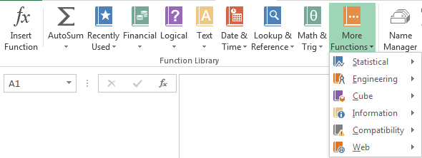

 | Bob | Mary | Jack
 | 10 | 6 | 5
 | 5 | 11 | 7
 | 13 | 10 | 6
 | 2 | 15 | 19
 | 9 | 5 | 20
 | 18 | 16 | 19
 | 18 | 15 | 1
 | 2 | 19 | 10
 | 18 | 14 | 6

Function Help
Return to List of Topics sheet
Finding Help for Excel Functions
If you haven’t used the f_{x} (Insert Function) button located just to the left of the formula bar, you should give it a try. It not only lists all of the functions available in Excel, by category, but it also leads you through the use of them. As an example, suppose you know there is an Excel function that calculates payments on a loan, but you are not sure what its name is or how to use it. You can proceed as follows.
To use the f_{x} button:
Select a blank cell where you want to enter the formula. Click the f_{x} button and select the category that seems most appropriate, Financial in this case. Scan through the list for a likely candidate and select it. (Try PMT.) At this point, you can get help by clicking the "Help on this function" link, or you can click the OK button and enter the appropriate arguments for the function: interest rate, term, and principal, the latter expressed as a negative number. (See screenshots to the right.)
Some people use the f_{x} button as a "crutch" every time they want to enter an Excel function. You probably shouldn't do this for functions you know well because it takes more time. However, it is great for learning how to use functions you are less familiar with.
Try it! Use the f_{x} button to help you determine the function in the gray cell to the right. (Scroll to the right for the solution.)
You can get the same help from the categories buttons on the Formulas ribbon. You can scan the list for any category very quickly. In fact, this is a good way to expand your repertoire of Excel functions. Just look at any of the lists and ask for help on any that look interesting.
As a final note, the autocomplete feature provides automatic help as you type functions. For example, if you type =SUMP, Excel shows you all functions that start with SUMP. In this case, there is only one, SUMPRODUCT, so if you press the Tab key, you automatically get =SUMPRODUCT(, and it shows you the arguments this function expects. Of course, you will memorize the functions you use most frequently, but with this autocomplete feature and the other features described above, there is really no need to memorize functions.
 | Insert Function dialog box |  | Help entering the formula
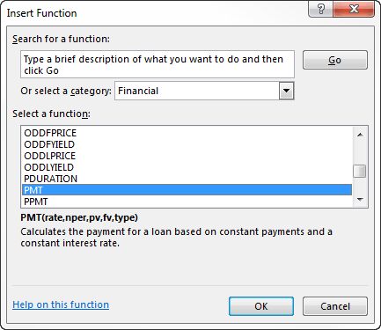
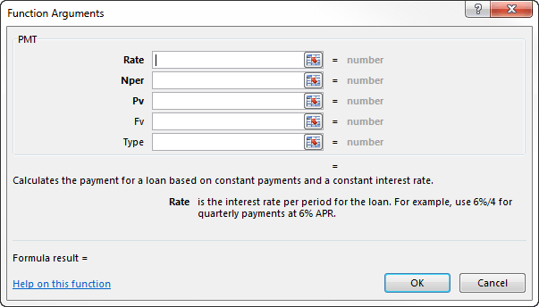

 | Monthly car payment model
 | Amount financed | $15,000
 | Annual interest rate | 8.90%
 | Term (number of months financed) | 36
 | Monthly payment |  |  | Payment | $476.30

Note that the PMT function is in the financial category. In general, it has five arguments, but the last two are optional and aren't needed here. There is a minus sign next to Principal because it is paid, not received.

SUM, AVERAGE, PRODUCT
Return to List of Topics sheet

SUM function (Math & Trig Category)
The SUM function is probably the most used Excel function of all. It sums all values in one or more ranges.
To use the SUM function:
Enter the formula =SUM(range), where range is any range. This sums the numeric values in the range. If there are any nonnumeric or blank cells in this range, they are ignored.
Actually, it is possible to include more than one range in a SUM formula, separated by commas. (This can also be done with the COUNT, COUNTA, AVERAGE, PROLDUCT, MAX, and MIN functions, among others.) For example, =SUM(B5,C10:D12,Revenues) is allowable, where Revenues is a range name. The result is the sum of the numeric values in all of these ranges combined. Again, if any cells in any of these ranges are nonnumeric or blank, they are ignored.
Here is a shortcut, which works for any function that takes multiple ranges, separated by commas. Hold the Ctrl key and then drag the ranges, one after the other. The commas will be entered for you automatically.
Try it! Use the SUM function in the above gray cell to calculate the total of all costs. (Scroll to the right for the answer.)

 | Table of costs for units produced in one month (along side)
 | for use in another month (along top)

 |  | Feb | Mar | Apr | May
 | Jan | $5,800 | $3,600 | $5,400 | $5,700
 | Feb |  | $4,000 | $3,500 | $6,100
 | Mar |  |  | $3,000 | $6,100
 | Apr |  |  |  | $4,300

 | Total cost |  |  |  |  | Total cost | $47,500

AVERAGE function (Statistical Category)
The AVERAGE function averages all of the numeric cells in a range.
To use the AVERAGE function:
Enter the formula =AVERAGE(range) where range is any range. This produces the average of the numeric values in the range.
Note that the AVERAGE function ignores labels and blank cells. So, for example, if the range C3:C50 includes scores for students on an exam, but cells C6 and C32 are blank because these students haven’t yet taken the exam, then =AVERAGE(C3:C50) averages only the scores for the students who took the exam. (It does not automatically average in 0s for the two who didn’t take the exam.)
Try it! Use the AVERAGE function in the two gray cells to the right to calculate the averages indicated. (For the formula in the lower gray cell, replicate the exam scores in column M and make some changes. Scroll to the right for the answers.)
 | Student ID | Exam score |  |  | Average (only for students who took the exam) |  | Student ID | Exam score | With 0s | Average (only for students who took the exam)
 | 1533 | 68 |  |  |  |  | 1533 | 68 | 68 | 74.75862069
 | 8031 | 74 |  |  |  |  | 8031 | 74 | 74
 | 9859 | 80 |  |  | Average (giving 0s to students who were absent) |  | 9859 | 80 | 80 | Average (giving 0s to students who were absent)
 | 9106 | 63 |  |  |  |  | 9106 | 63 | 63 | 71.081967213
 | 3535 | 72 |  |  |  |  | 3535 | 72 | 72
 | 8192 | Absent |  |  |  |  | 8192 | Absent | 0
 | 6102 | 85 |  |  |  |  | 6102 | 85 | 85
 | 6774 | 70 |  |  |  |  | 6774 | 70 | 70
 | 7558 | 64 |  |  |  |  | 7558 | 64 | 64
 | 314 | 72 |  |  |  |  | 314 | 72 | 72
 | 9082 | 81 |  |  |  |  | 9082 | 81 | 81
 | 2397 | 75 |  |  |  |  | 2397 | 75 | 75
 | 2517 | 80 |  |  |  |  | 2517 | 80 | 80
 | 2432 | 73 |  |  |  |  | 2432 | 73 | 73
 | 6016 | 63 |  |  |  |  | 6016 | 63 | 63
 | 5269 | 80 |  |  |  |  | 5269 | 80 | 80
 | 4847 | 88 |  |  |  |  | 4847 | 88 | 88
 | 6537 | 71 |  |  |  |  | 6537 | 71 | 71
 | 9922 | 73 |  |  |  |  | 9922 | 73 | 73
 | 4525 | 71 |  |  |  |  | 4525 | 71 | 71
 | 1491 | 71 |  |  |  |  | 1491 | 71 | 71
PRODUCT function (Math & Trig Category)
You certainly know the SUM function for summing, but you might not be aware that there is a PRODUCT function for multiplying. It works exactly like the SUM function, that is, all of its arguments are multiplied together. Any blank or text cells are ignored in the product. Specifically, they are not treated as 0s.
Try it! Find the product of the first six exam scores to the right, including the Absent value. Then delete the Absent value, that is, make its cell blank. Does this change the product?
 | 7897 | 68 |  |  | Product |  | 7897 | 68 | 68 | Product
 | 4088 | 82 |  |  |  |  | 4088 | 82 | 82 | 1826012160
 | 166 | 76 |  |  |  |  | 166 | 76 | 76
 | 7925 | 75 |  |  |  |  | 7925 | 75 | 75
 | 6405 | 81 |  |  |  |  | 6405 | 81 | 81
 | 802 | 76 |  |  |  |  | 802 | 76 | 76
 | 2931 | 83 |  |  |  |  | 2931 | 83 | 83
 | 7625 | 67 |  |  |  |  | 7625 | 67 | 67
 | 2628 | 67 |  |  |  |  | 2628 | 67 | 67
 | 5417 | 92 |  |  |  |  | 5417 | 92 | 92
 | 7804 | 72 |  |  |  |  | 7804 | 72 | 72
 | 3994 | 69 |  |  |  |  | 3994 | 69 | 69
 | 394 | 85 |  |  |  |  | 394 | 85 | 85
 | 8847 | 78 |  |  |  |  | 8847 | 78 | 78
 | 7855 | 81 |  |  |  |  | 7855 | 81 | 81
 | 8668 | Absent |  |  |  |  | 8668 | Absent | 0
 | 3738 | 77 |  |  |  |  | 3738 | 77 | 77
 | 5534 | 70 |  |  |  |  | 5534 | 70 | 70
 | 6965 | 71 |  |  |  |  | 6965 | 71 | 71
 | 8863 | 69 |  |  |  |  | 8863 | 69 | 69
 | 8762 | 73 |  |  |  |  | 8762 | 73 | 73
 | 6466 | 60 |  |  |  |  | 6466 | 60 | 60
 | 6100 | 76 |  |  |  |  | 6100 | 76 | 76
 | 1878 | 74 |  |  |  |  | 1878 | 74 | 74
 | 5970 | 67 |  |  |  |  | 5970 | 67 | 67
 | 9691 | 62 |  |  |  |  | 9691 | 62 | 62
 | 8666 | 77 |  |  |  |  | 8666 | 77 | 77
 | 4865 | 91 |  |  |  |  | 4865 | 91 | 91
 | 6198 | 81 |  |  |  |  | 6198 | 81 | 81
 | 8554 | 87 |  |  |  |  | 8554 | 87 | 87
 | 6753 | 76 |  |  |  |  | 6753 | 76 | 76
 | 9574 | 77 |  |  |  |  | 9574 | 77 | 77
 | 3891 | 81 |  |  |  |  | 3891 | 81 | 81
 | 8186 | Absent |  |  |  |  | 8186 | Absent | 0
 | 1306 | 73 |  |  |  |  | 1306 | 73 | 73
 | 6835 | 83 |  |  |  |  | 6835 | 83 | 83
 | 3136 | 59 |  |  |  |  | 3136 | 59 | 59
 | 4938 | 74 |  |  |  |  | 4938 | 74 | 74
 | 4807 | 74 |  |  |  |  | 4807 | 74 | 74
 | 4421 | 78 |  |  |  |  | 4421 | 78 | 78

SUMPRODUCT
Return to List of Topics sheet

SUMPRODUCT Function (Math & Trig Category)
There are many times when you need to sum products of values in two (or possibly more than two) same-size ranges. Fortunately, there is a SUMPRODUCT function that sums products quickly.
To use the SUMPRODUCT function:
Enter the formula =SUMPRODUCT(range1,range2), where range1 and range2 are exactly the same size. For example, they might be two column ranges with 10 cells each, or they might be two ranges with 4 rows and 10 columns each. The formula sums the products of the corresponding values from the two ranges.
There can actually be more than two ranges in the SUMPRODUCT formula, separated by commas, as long as all of them have exactly the same size. This is not as common as having only two ranges, but it is sometimes useful.
Try it! Sum the products of the two ranges in the example to the right to find the total shipping cost in the gray cell. (Scroll to the right for the answer.)
By the way, if you are tempted to write the formula without the SUMPRODUCT function as the sum of nine products, as many beginning users tend to do, imagine how long your formula would be if there were 10 plants and 50 cities! The SUMPRODUCT function is extremely efficient, so get used to using it.

 | Unit shipping costs | City1 | City2 | City3
 | Plant1 | 1.25 | 1.35 | 1.55
 | Plant2 | 1.15 | 1.45 | 1.25
 | Plant3 | 1.35 | 1.45 | 1.15

 | Units shipped | City1 | City2 | City3
 | Plant1 | 155 | 180 | 0
 | Plant2 | 250 | 130 | 185
 | Plant3 | 0 | 210 | 140

 | Total cost |  |  |  | Total cost | 1609.5

COUNT, COUNT, COUNTBLANK
Return to List of Topics sheet
COUNT, COUNTA, COUNTBLANK Functions (Statistical Category)
The COUNT function counts all of the cells in a range with numeric values. The COUNTA function counts all nonblank cells in a range. For example, if cells A1, A2, and A3 contain Month, 1, and 2, respectively, then =COUNT(A1:A3) returns 2, whereas =COUNTA(A1:A3) returns 3.
To use the COUNT function:
Enter the formula =COUNT(range), where range is any range. This returns the number of numeric values in the range.
To use the COUNTA function:
Enter the formula =COUNTA(range), where range is any range. This returns the number of nonblank cells in the range.
The COUNTBLANK function counts all blank cells in a range.
To use the COUNTBLANK function:
Enter the formula =COUNTBLANK(range), where range is any range. This returns the number of blank cells in the range.
Try it! Use the COUNT, COUNTA, and COUNTBLANK functions to fill in the gray cells to the right. (Scroll to the right for the answers.)
Note: Excel uses somewhat different terms on the status bar. If you select a range and right-click the status bar, you will see the two options "Count" and "Numerical Count." The first corresponds to the COUNTA function, and the second corresponds to the COUNT function.

 | Student | Exam score | Number enrolled | Number enrolled
 | 1 | 62 |  | 72 | or | 72
 | 2 | 73
 | 3 | 74 | Number who took exam | Number who took exam
 | 4 |  |  | 69 | or | 69
 | 5 | 77
 | 6 | 57 | Number who were absent | Number who were absent
 | 7 | 67 |  | 3
 | 8 | 90
 | 9 | 77
 | 10 | 83
 | 11 | 71
 | 12 | 75
 | 13 | 72
 | 14 | 82
 | 15 | 68
 | 16 | 86
 | 17 | 77
 | 18 | 68
 | 19 | 86
 | 20
 | 21 | 80
 | 22 | 81
 | 23 | 84
 | 24 | 71
 | 25 | 76
 | 26 | 81
 | 27 | 99
 | 28 | 72
 | 29 | 78
 | 30 | 67
 | 31 | 89
 | 32 | 70
 | 33 | 77
 | 34
 | 35 | 83
 | 36 | 74
 | 37 | 87
 | 38 | 75
 | 39 | 86
 | 40 | 77
 | 41 | 73
 | 42 | 74
 | 43 | 79
 | 44 | 80
 | 45 | 77
 | 46 | 72
 | 47 | 77
 | 48 | 71
 | 49 | 70
 | 50 | 68
 | 51 | 79
 | 52 | 75
 | 53 | 80
 | 54 | 73
 | 55 | 61
 | 56 | 62
 | 57 | 68
 | 58 | 92
 | 59 | 85
 | 60 | 77
 | 61 | 79
 | 62 | 86
 | 63 | 83
 | 64 | 83
 | 65 | 76
 | 66 | 89
 | 67 | 72
 | 68 | 69
 | 69 | 66
 | 70 | 71
 | 71 | 80
 | 72 | 61

Concatenating
Concatenating, CONCATENATE Function (Text Category)
To concatenate, you start with two or more pieces of text and “piece them together.” For example, you might concatenate “Bob” and “Jones” into “Bob Jones”. There are two equivalent ways to concatenate: with the ampersand (&) symbol and with the CONCATENATE function. Both are described here.
Suppose cells A1 and B1 contain text such as a first name and a last name. To concatenate them with the ampersand symbol, you enter the formula =A1&B1 in some other cell such as cell C1. Literal text, such as a comma and a space, can also be included, such as =A1&“, ”&B1. In this case, if cell A1 contains “Jones” and cell B1 contains “Bob”, then cell C1 will contain “Jones, Bob”. This concatenates the last name, the literal comma and space, and the first name. In general, you separate the pieces with ampersands, and you surround literal text with double quotes.
To concatenate the text in cells A1 and B1 with the CONCATENATE function, you enter the formula =CONCATENATE(A1,”, “,B1). In words, you enter the “pieces” you want to concatenate, separated by commas. These pieces can be cell references or literal text. In the latter case, they should be surrounded with double quotes.
Try it! Concatenate the first names, middle initials, and last names in columns K, L, and M with the ampersand symbol so that full names of the form Jones, Bob E. appear in column N. Do this with again with the CONCATENATE function in column O. (Scroll to the right for answers.)
Return to List of Topics sheet
 |  |  |  |  |  | Ampersand | CONCATENATE
 |  |  |  |  |  | Bob E. Jones | Bob E. Jones
 |  |  |  |  |  | Stephen C. Davis | Stephen C. Davis
 |  |  |  |  |  | Andy T. Thompson | Andy T. Thompson
 |  |  |  | Ampersand | CONCATENATE | John F. Wilson | John F. Wilson
 | Bob | E | Jones |  |  | Kathy C. Fredericks | Kathy C. Fredericks
 | Stephen | C | Davis |  |  | Karen D. Williams | Karen D. Williams
 | Andy | T | Thompson |  |  | Tom T. Smith | Tom T. Smith
 | John | F | Wilson |  |  | Peter F. Jennings | Peter F. Jennings
 | Kathy | C | Fredericks |  |  | Ted R. Benson | Ted R. Benson
 | Karen | D | Williams |  |  | Jason E. Samson | Jason E. Samson
 | Tom | T | Smith
 | Peter | F | Jennings
 | Ted | R | Benson
 | Jason | E | Samson

Parsing with Text to Columns
Return to List of Topics sheet
Parsing with Text to Columns
Parsing text, that is, separating it into its pieces, is sometimes easy, and it is sometimes difficult. The text functions illustrated in the other parsing topic in this tutorial are for the difficult cases, but this topic discusses an easy tool that is worth trying first. Suppose you import data from a legacy system or a Web site, and everything gets imported to a single column, such as in column K to the right. The pattern is pretty clear: each cell contains five numbers, all separated by commas. To parse these into five columns with one number per cell, you can use the Text to Columns button on the Data ribbon shown to the right. This launches a fairly simple wizard (basically, the same wizard used for importing a text file), where you can indicate that the "delimiter" is a comma.
Try it! Select the data in column K and try the Text to Columns wizard. Note that it places the results in columns K-O, replacing the original data in column K. If you want to keep the original data for some reason, you should first make a copy in column L and then parse the copy.
Note: You might see little green triangles in the cells in column K. These indicate errors, or at least what Excel thinks are errors. If you select any of these cells, or all of them, you will see a dropdown to the left, which provides options for dealing with the "errors," including ignoring them. (They should be ignored in this example.) More generally, if you don't want Excel to enter these error warnings in the first place--in any of your workbooks--you can go to the Formulas section of Excel Options and uncheck the "Enable error background checking" option.
 | Text to Columns button on Data ribbon

 | 606,360,516,1757,371
 | 1631,1337,1260,1855,2823
 | 904,749,486,1852,1612
 | 2463,1324,1889,2597,312
 | 1256,1839,1745,244,1508
 | 2159,2917,1699,1351,974
 | 1084,2379,1791,1933,507
 | 1686,2454,1954,256,1068
 | 1274,2330,2334,343,255
 | 303,2128,578,824,1714
 | 2989,2317,2196,642,2812
 | 1743,2122,2428,871,2701
 | 2817,2330,1217,407,327
 | 894,1893,1963,1641,2533
 | 2747,1952,243,2832,1487
 | 358,2674,1660,1006,1249
 | 1032,939,2172,2112,347
 | 2639,2489,2905,412,2877
 | 730,696,639,454,1591
 | 1774,2506,2690,2498,2407
 | 2406,493,1457,1317,2993
 | 1359,894,2281,2454,1239
 | 2847,1432,381,1518,941
 | 1597,313,1231,596,702
 | 2838,2547,846,868,1753
 | 2049,558,201,1034,351
 | 1395,1314,1004,489,275
 | 2628,2596,1901,2114,381
 | 1439,1574,2318,277,1202
 | 918,2177,621,1777,2106
 | 867,2906,2844,2173,1370
 | 2314,236,1387,1586,1106
 | 1316,1475,1791,1494,2405
 | 1006,795,1804,861,979

Dates and Times in Excel
Return to List of Topics sheet
Dates and Times in Excel
We tend to take dates and times for granted, but they appear in many, if not most, real-world business spreadsheets. They can actually be quite tricky to work with, and a complete treatment of dates and times could fill a long chapter of a book. This tutorial can't cover all of the intricacies of Excel-based dates and times, but it does illustrate some of the most useful methods for working with them, including several of the functions listed to the right.
The first thing to realize is that a date-time value that appears in a cell as something like 3/14/2004 4:30 PM is really stored as a number. Excel refers to this number as the serial value. The serial value corresponding to this particular date-time happens to be 38060.688. The value to the left of the decimal is the number of days since a “base” date (January 1, 1900), and the decimal part indicates the fraction of time through the day, starting right after midnight. In this example 4:30 PM is 68.8% of the way from midnight to the next midnight. If the decimal part is omitted, it is assumed to be midnight. In this case, you usually format the value so that only the date, not the time, appears.
If you happen to know the numbering system for dates, that is, you somehow know that 38060 corresponds to 3/14/2004, you could enter the number 38060 in a cell and then format it to look like a date. However, you usually enter a date like 3/14/2004 in a cell. Actually, there are several formats Excel recognizes as dates, including 3/14/2004, March 14, 2004, 3-14-04, and a few others, but they are all stored as 38060.
The same is true for date-times, such as 3/14/2004 4:30 PM, or just times, such as 4:30 PM. If you enter either of these in a format that Excel recognizes as a date-time or just a time, Excel will recognize that these are date-times or times, but it will store them as numbers, 68030.688 or 0.688.
By the way, if you enter a date-time in a format that Excel doesn’t recognize, you are entirely out of luck. It will simply be stored as a label, with no inherent “date-time” meaning. And Excel can be fussy. For example, it doesn’t understand 3/14/2004 4:30PM, simply because there is no space between 4:30 and PM! On the other hand, Excel is smart about dates. It will recognize that 9/31/1999 and 2/29/2003 are not dates, regardless of how they are formatted.
Try it! The cells to the right include some date-times, dates (no times specified), and times (no dates specified), formatted in several ways. Format these as numbers with three decimals to see the serial values. Then reformat them as date-times in any formats you prefer.
 | Date and Time functions | Dates to format
 |  | 3/14/04
 |  | 1901-12-31
 |  | 3:50:00
 |  | 12:00:00
 |  | 29-Feb-96
 |  | 9/24/46

YEAR, MONTH, DAY, WEEKDAY
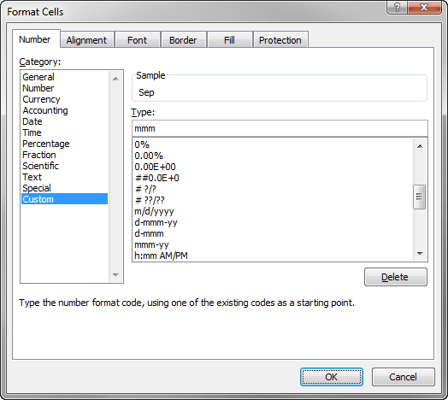
Return to List of Topics sheet

YEAR, MONTH, DAY, WEEKDAY Functions (Date & Time Category)
If a cell contains a date, it is easy to strip off the year, month, and day with the YEAR, MONTH, and DAY functions. There is also a WEEKDAY function that returns the weekday index, 1 (Sunday) to 7 (Saturday). Each of these functions has a single argument, a date or a reference to a cell containing a date.
Try it! For each date to the right in column K, return the year, month, day, and weekday in columns L-O. (See to the right for answers.)
You might want the month name, such as September, and the day name, such as Tuesday, rather than numbers. You can do this with custom formatting. To get to custom formatting, right-click on any cell, select Format Cells, and select Custom to bring up the dialog box to the right. For month names, you can enter the code mmm (for three-letter abbreviations) or mmmm (for full month names). Similarly, you can enter the codes ddd or dddd for days.
Try it! Copy the values in columns M and O to columns P and Q, respectively. Then custom format the months in column P as mmmm, and custom format the days in column Q as dddd. This serves as an excellent reminder that dates can be formatted in many ways.
 | Date | Year | Month | Day | Weekday | Month name | Day name | Date | Year | Month | Day | Weekday | Month name | Day name
 | 2001-09-11 |  |  |  |  |  |  | 2001-09-11 | 2001 | 9 | 11 | 3 | 2001-09-11 | 2001-09-11
 | 1986-01-28 |  |  |  |  |  |  | 1986-01-28 | 1986 | 1 | 28 | 3 | 1986-01-28 | 1986-01-28
 | 1963-11-22 |  |  |  |  |  |  | 1963-11-22 | 1963 | 11 | 22 | 6 | 1963-11-22 | 1963-11-22
 | 1945-08-06 |  |  |  |  |  |  | 1945-08-06 | 1945 | 8 | 6 | 2 | 1945-08-06 | 1945-08-06
 | 1941-12-07 |  |  |  |  |  |  | 1941-12-07 | 1941 | 12 | 7 | 1 | 1941-12-07 | 1941-12-07
 | 1912-04-14 |  |  |  |  |  |  | 1912-04-14 | 1912 | 4 | 14 | 1 | 1912-04-14 | 1912-04-14

Documenting Your Work
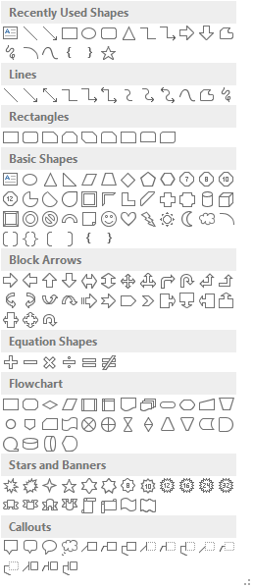
Return to List of Topics sheet

General Documentation
There is nothing worse than getting a spreadsheet from someone with no documentation. All you see are loads of meaningless numbers and possibly a few not-well-thought-out labels. This is a very poor practice, and you shouldn't be guilty of it. There are a number of things you can do to document your work. Of course, you should use descriptive labels and a clear, logical structure, but you can do more than this. For example, you can include cell comments and text boxes, as explained below.

Cell Comments
A cell comment is useful when you want to explain something that is probably not obvious in a particular cell. You will know a cell contains a comment when you see a little red mark in the upper right corner of the cell. You can see the cell comment by hovering the cursor over the cell. By default, a cell comment starts with the owner's name, but you can delete this name if you like.
To insert a cell comment in a cell, right-click the cell. If there is no existing cell comment, you will see an Insert Comment item. If there is an existing cell comment, you will see Edit Comment and Delete Comment items. (See the screenshots to the right.)
Try it! Add the following cell comment to the gray cell to the right: Sales are in $1000s. Then change the comment to: Monthly sales in $1000s. Then delete the cell comment.
For more on cell comments, visit the Comments group on the Review ribbon. You might not ever use all of these buttons, but they could be handy if someone gives you a spreadsheet with a lot of cell comments, and you want to browse through them quickly.
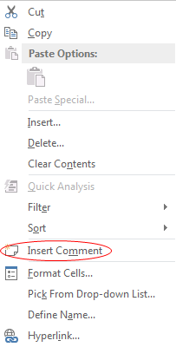
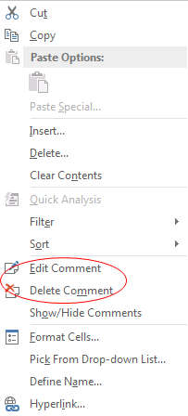
 | Insert comment | Edit or Delete comment | Sales
 |  |  | 15.3
 |  |  | 14.7
 |  |  | 9.6
 |  |  | 12.1
 |  |  | 14.2

Text Boxes
When you add explanations to your worksheets, do you tend to start typing in a cell, and when it gets long enough, you continue typing on the next line, etc.? Many people do this, but it is not a good habit, mostly because of the difficulty of editing. It is much better to use text boxes, as you see throughout this tutorial. Text boxes are much better for explanations than cells because they have word wrap. They are essentially mini-word processors that can be edited (and moved or resized) easily. You should use them in virtually every spreadsheet you create!
To insert a text box, click the Text Box button on the Insert ribbon, as shown to the right, and drag a text box in some area of the worksheet. Then start typing. It's as easy as that.
You might also want to change the appearance of the text box. To do so, click it twice so that the border becomes a solid line. (It's a dashed line after the first click). Then you will see a Drawing Tools Format tab and associated ribbon where you can make all sorts of changes. For example, in this tutorial all text boxes are rounded in two corners and have a blue border. If you like the appearance, you can right-click the text box and choose the Set as Default Text Box item. Then every other text box you create in that workbook will automatically have the same appearance.
Try it! Create a text box to the right and enter some text. Then see if you format it like the text boxes in this tutorial.
Note again that if you click a text box once, its border becomes a dashed line. If you then click it again, it becomes a solid line. The options available are slightly different in these two cases. For example, if you want to delete a text box, you should make the border a solid line and then press the Delete key. In contrast, if you press the Delete key when the border is dashed, you will delete some text.
 | Text Box button in (right side of) Insert Ribbon

 | Format Shape dialog box
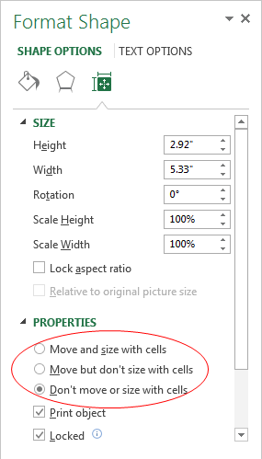

Positioning of Text Boxes (and other shapes)
When you add text boxes (or other shapes such as circles, rectangles, and arrows) to a worksheet, they essentially "float" above the worksheet cells. If you then insert rows or columns under these shapes, or if you change row heights or column widths under them, the shapes might move or expand. You might want this behavior, or you might not. In either case, you can control the behavior. To do so, right-click a shape, such as a text box, and select Size and Properties. The dialog box to the right appears. (This is for Excel 2013, where the user interface changed noticably.) You can then select the "Object positioning" option you want under Properties. For example, if you want the shape to stay fixed in the same size and position, select the "Don't move or size with cells" option, as shown here.

Using Shapes for Emphasis
Using shapes, such as red ovals for emphasis, is another documentation possibility. Actually, the red ovals you see in the tutorial's screenshots, such as the one above, were created in the screen capture software itself, but they could also be created with Excel's shapes. As you can see to the right, Excel provides many shapes to choose from.
By default, a shape such as an oval is opaque, with a blue fill and a darker blue border. But if you select it, you get the Drawing Tools Format tab and associated ribbon, where you can format the shape in an endless number of ways.
 | Shapes dropdown list on Insert menu

Data Validation
Return to List of Topics sheet

Introduction to Data Validation
At some point, you might be developing spreadsheets for others to use, and you might want to force them to use certain values in certain cells because other values wouldn't make sense or wouldn't satisfy business rules. You can do this fairly easily with data validation. There are actually many possibilities, but only the most common are illustrated here. All of the options are found from the Data Validation item on the Data ribbon shown to the right. This leads to the fairly self-explanatory Data Validation dialog box also shown to the right. All of the examples below assume you have selected the cell you want to validate, and they assume that you have opened this dialog box and have chosen the Settings tab.
 | Data Validation button on Data ribbon

 | Data Validation dialog box
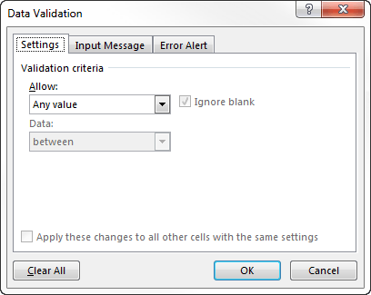

Applying a Simple Numeric Validation
To allow only values between two given values:
Choose Whole Number (if you want only integers) or Decimal in the Allow dropdown list, choose Between from the resulting Data dropdown, and enter values in the Min and Max boxes. You can also place cell references in the Min and Max boxes. You can experiment with the other options in the Data dropdown. They are all quite straightforward.
The Data Validation dialog box has two other tabs, Input Message and Error Alert. The first allows you to create a message that the user sees when the cell is selected. The second allows you to create a message that appears if an incorrect value is entered in the cell.
Try it! Force the values in the gray cells in column K to have values indicated by the labels to their right. Add your own input messages and error alerts. Then try entering appropriate and inappropriate values in the gray cells.

 |  | any integer between 1 and 10
 |  | any decimal number between 1 and 10
 |  | any positive integer
 |  | any negative decimal number
 |  | any integer between the two values below (use cell references for these values)
 |  | 30 | 40

Quick Analysis
Return to List of Topics sheet

Quick Analysis
The Quick Analysis tool, introduced in Excel 2013, is a feature that received considerable publicity. Starting with a data set such as the one to the right, the new Quick Analysis tools provide you with instant conditional formatting, pivot tables, charts, and other results with almost no work. You can decide how useful this new feature really is. It undoubtedly gives you very quick results, but it might not give you the results you want.
To see how this works, select the entire data range to the right, including the labels in row 3. You will see a Quick Analysis icon at the bottom right of the data range. (Remember that if you are using a pre-2013 version of Excel, this won't work.) When you click this icon (or press Ctrl+Q), you see the Quick Analysis options below and to the right. Then you can explore the possibilities. They are all straightforward.
As an example, if you choose Tables and then choose the first of several automatic pivot tables, you get the pivot table on the next sheet, which breaks down the sum of Total Cost by Region. This might or might not be the pivot table you really want, but at least it gives you a pivot table that you can then modify as you like. Similar statements can be made about the automatic charts available from the Charts item. You can decide whether this is any easier than building the pivot table or the chart you really want from scratch.
Starting in Excel 2013, two of these Quick Analysis options are duplicated by two "let us guess what you want" items in the Insert ribbon, shown to the right. These are the Recommended PivotTables and Recommended Charts items. They provide exactly the same options for pivot tables and charts as from the Quick Analysis tools.
 | Date | Day | Time | Region | Card Type | Gender | Buy Category | Items Ordered | Total Cost | High Item
 | 2012-03-06 | Tue | Morning | West | ElecMart | Female | High | 4 | $136.97 | $79.97
 | 2012-03-06 | Tue | Morning | West | Other | Female | Medium | 1 | $25.55 | $25.55
 | 2012-03-06 | Tue | Afternoon | West | ElecMart | Female | Medium | 5 | $113.95 | $90.47
 | 2012-03-06 | Tue | Afternoon | NorthEast | Other | Female | Low | 1 | $6.82 | $6.82
 | 2012-03-06 | Tue | Afternoon | West | ElecMart | Male | Medium | 4 | $147.32 | $83.21
 | 2012-03-06 | Tue | Afternoon | NorthEast | Other | Female | Medium | 5 | $142.15 | $50.90
 | 2012-03-07 | Wed | Evening | West | Other | Male | Low | 1 | $18.65 | $18.65
 | 2012-03-07 | Wed | Evening | South | Other | Male | High | 4 | $178.34 | $161.93
 | 2012-03-07 | Wed | Evening | West | Other | Male | Low | 2 | $25.83 | $15.91
 | 2012-03-08 | Thu | Morning | MidWest | Other | Female | Low | 1 | $18.13 | $18.13
 | 2012-03-08 | Thu | Morning | NorthEast | ElecMart | Female | Medium | 2 | $54.52 | $54.38
 | 2012-03-08 | Thu | Afternoon | South | Other | Male | Medium | 2 | $61.93 | $56.32
 | 2012-03-09 | Fri | Morning | NorthEast | ElecMart | Male | High | 3 | $147.68 | $96.64
 | 2012-03-09 | Fri | Afternoon | NorthEast | Other | Male | Low | 1 | $27.24 | $27.24
 | 2012-03-10 | Sat | Morning | West | Other | Female | Low | 3 | $46.18 | $44.27
 | 2012-03-10 | Sat | Afternoon | West | Other | Male | Low | 5 | $107.44 | $91.64
 | 2012-03-10 | Sat | Afternoon | South | ElecMart | Female | Medium | 6 | $96.53 | $93.68
 | 2012-03-10 | Sat | Afternoon | West | ElecMart | Female | Medium | 4 | $77.44 | $77.28
 | 2012-03-11 | Sun | Morning | South | Other | Male | Low | 1 | $15.19 | $15.19
 | 2012-03-11 | Sun | Afternoon | South | Other | Male | Medium | 1 | $45.52 | $45.52

 | Quick Analysis options
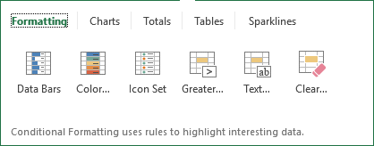

 | New items in Insert ribbon

